Test Cases
Test Case ID | Function | Test Steps | Input Data | Expected Result
TC01 | Login | 1. Go to login page 2. Enter valid email & password 3. Click 'Enter' to login | Email : nguyenvananh03@gmail.com Password: nguyenvananh03 | Login successful: Nguyen Van Anh Access role: student
TC02 | Login | 1. Go to login page 2. Enter valid email and wrong password 3. Click 'Enter' to login | Username: nguyenhoanglong03@gmail.com Password: nguyenhoanglong03 | Incorrect email or password. 1. Login again 0. Exit program
TC03 | Register Account | 1. Go to register page 2. Fill all fields 3. Click Submit | Name: John Email: john@gmail.com Username: student01 Password: 123456 | Registration is completed successfully
TC04 | View Profile | 1. Go to login page 2. Enter valid email & password 3. Click 'Enter' to login 4. Enter '1' to open 'View profile' | Email :nguyenvananh03@gmail.com Password: nguyenvananh03
TC05 | View Enrollment | 1. Go to login page 2. Enter valid email & password 3. Click 'Enter' to login 4. Enter '3' to open menu 'COURSE REGISTRATION' 5. Enter '1' to open 'VIEW ENROLLMENT' | Email : duonvantan03@gmail.com Password: duongvantan03
TC06 | Register Course | 1. Go to login page 2. Enter valid email & password 3. Click 'Enter' to login 4. Enter '1' to open 'Enroll course' 5. Enter course ID | Email : duonvantan03@gmail.com Password: duongvantan03 C001 | Enter course_id to enroll:
TC07 | View Course | 1. Go to login page 2. Enter valid email & password 3. Click 'Enter' to login 4. Enter '2' to open 'View courses' | Email : donguyenphuc03@gmail.com Password: donguyenphuc03 | 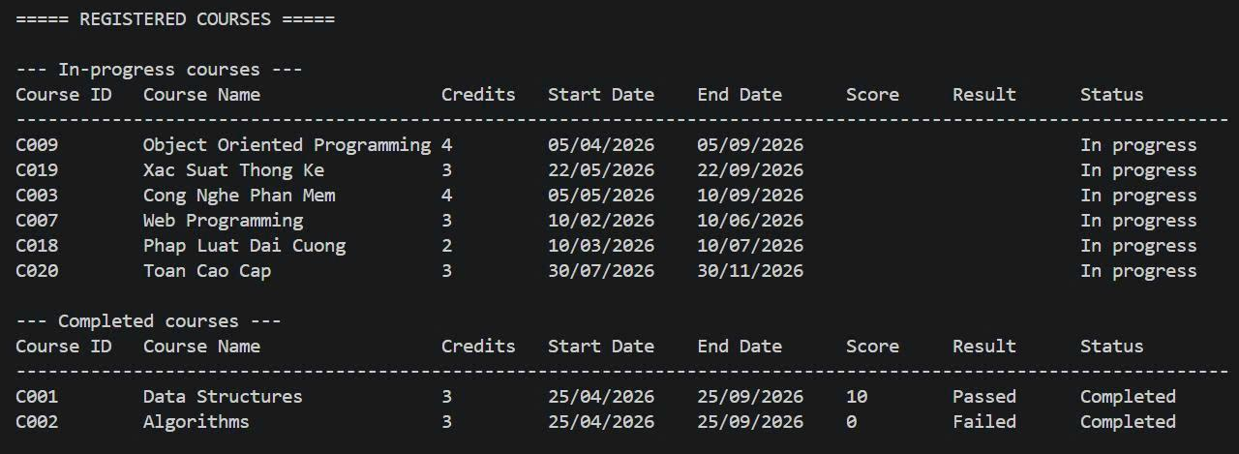
TC08 | View Notifications | 1. Go to login page 2. Enter valid email & password 3. Click 'Enter' to login 4. Enter '4' to open 'View Notifications' 5. Enter '1' to open 'Notification' | Email : tranthimai03@gmail.com Password: tranthimai03 | 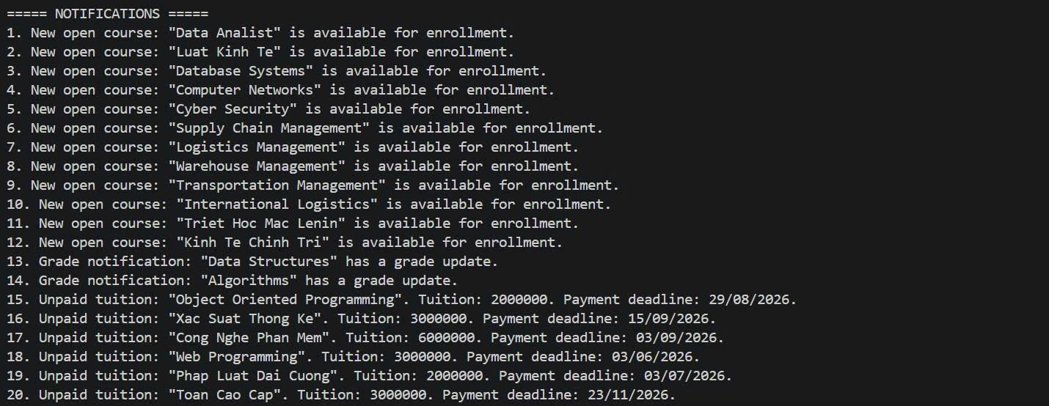
TC09 | View Tuition | 1. Go to login page 2. Enter valid email & password 3. Click 'Enter' to login 4. Enter '5' to open 'View Tuition' | Email : phamvanhung03@gmail.com Password: phamvanhung03
TC10 | Change Password | 1. Go to login page 2. Enter valid email & password 3. Click 'Enter' to login 4. Enter '6' to open ' Change Password' | Email :lethihuong03@gmail.com Password: lethihuong03 | current password:
TC11 | View Student List | 1. Go to login page 2. Enter valid email & password 3. Click 'Enter' to login 4. Enter '1' to open "MANAGE STUDENT" 5. Enter '1' to open 'VIEW STUDENT LIST' | Email : admin01@gmail.com Password: admin78
TC12 | Add Student | 1. Go to login page 2. Enter valid email & password 3. Click 'Enter' to login 4. Enter '1' to open "MANAGE STUDENT" 5. Enter '2' to open 'ADD STUDENT' | 0327458589 Nguyen Thi Bui ngyenthibui03@gmail.com nguyenthibui03 03/04/2000 0903150831 HCM LOG LOG-01 | Add student successfully.
TC13 | Edit Student Information ( Edit Phone Number ) | 1. Go to login page 2. Enter valid email & password 3. Click 'Enter' to login 4. Enter '1' to open "MANAGE STUDENT" 5. Enter '3' to open 'EDIT STUDENT INFORMATION' 6. Enter ID To Edit 7. Enter "5" to edit Phone Number 8. Enter "New Phone Number" 9. Enter '0' to "Save and Return" | 0327458589 0903134401 | Updated student successfully.
TC14 | Delete Student | 1. Go to login page 2. Enter valid email & password 3. Click 'Enter' to login 4. Enter '1' to open "MANAGE STUDENT" 5. Enter '4' to open 'DELETE STUDENT' 6. Enter ID To Delete 7. Enter "Y" to Confirm Deletion | 0327458589 Y | Delete student successfully.
TC15 | Create new course | 1. Go to login page 2. Enter valid email & password 3. Click 'Enter' to login 4. Enter '3' to open "MANAGE COURSE" 5. Enter '2' to open 'CREATE NEW COURSE' 6. Enter ID To Create new course | C021 Xac Suat Thong Ke Nang Cao 4 50 3000000 05/04/2026 05/09/2026 | Course created successfully.
TC16 | Edit course ( TEACHER ID ) | 1. Go to login page 2. Enter valid email & password 3. Click 'Enter' to login 4. Enter '3' to open "MANAGE COURSE" 5. Enter '3' to open 'EDIT COURSE' 6. Enter course ID to edit 7. Enter 'C0C1' to open "EDITTING COURSE" 8. Enter '3' to open 'TEACHER ID' 9. Enter New teacher ID to edit 10. Enter '0' to open "SAVE AND RETURN" | C021 3 0233445566 0 | Course updated successfully.
TC17 | Update payment status | 1. Go to login page 2. Enter valid email & password 3. Click 'Enter' to login 4. Enter '4' to open "MANAGE TUITION" 5. Enter '2' to open 'UPPDATE PAYMENT STATUS' 6. Enter Enter enrollment ID 7. Enter 'EN054' 8. Enter '1' to open "PAID" | EN054 1 | Tuition payment status updated successfully.
TC18 | View Profile | 1. Go to login page 2. Enter valid email & password 3. Click 'Enter' to login 4. Enter '1' to open 'Personal information' 5. Enter '1' to open 'View profile' | Email: nguyenxuandieu02@gmail.com Password: nguyenxuandieu02 | Displays teacher's information correctly: - ID: 0214342456 - Full name: Nguyen Xuan Dieu - Date of birth: 18/07/1982 - Phone: 0903123123 - Department: CNTT
TC19 | Update Profile | 1. Go to login page 2. Enter valid email & password 3. Click 'Enter' to login 4. Enter '1' to open 'Personal information' 5. Enter '2' to open 'Update profile' 6. enter new phone number at 'New phone:' | Email: nguyenxuandieu02@gmail.com Password: nguyenxuandieu02 New phone: 0988111222 | The system updates the new phone number, saves it to the teacher.csv file, and prints the message: => Success!
TC20 | View Schedule | 1. Go to login page 2. Enter valid email & password 3. Click 'Enter' to login 4. Enter '2' to open 'View teaching schedule...' | Email: nguyenxuandieu02@gmail.com Password: nguyenxuandieu02
TC21 | View Student List | 1. Go to login page 2. Enter valid email & password 3. Click 'Enter' to login 4. Enter '3' to open 'View student list' 5. Enter the corresponding number to select course C001 | Email: nguyenxuandieu02@gmail.com Password: nguyenxuandieu02 Choose: 1 | Displays the student list table for class C001 including columns: No., Student ID, Full name, Class, Status, Score, Result.
TC22 | Input Grades | 1. Perform steps as in Test Case 4 2. Enter '1' to open 'Add grades' 3. Enter the corresponding number of the student to input grades 4. Enter the score 5. Enter '0' to Save and exit | Select student number: 1 (Nguyen Van Anh - ID 0312345678) Enter score: 8.5 Choose: 0 | The system saves the grade to enrollment.csv, automatically calculates the Result as Passed and prints the message: => Grades saved successfully!
TC23 | Change Password | 1. Go to login page 2. Enter valid email & password 3. Click 'Enter' to login 4. Enter '4' to open 'Change password' 5. Enter Current password 6. Enter New password | Email: nguyenxuandieu02@gmail.com Password: nguyenxuandieu02 Current password: nguyenxuandieu02 New password: dieu123456 | Updates the new password in teacher.csv and prints the message: => Password changed successfully!
TC24 | View Notifications | 1. Go to login page 2. Enter valid email & password 3. Click 'Enter' to login 4. Enter '5' to open 'Notifications' 5. Enter the corresponding number to read a notification | Email: nguyenxuandieu02@gmail.com Password: nguyenxuandieu02 Choose: 1 | Assigned course "Cyber Security"

